CI, indep, var unkwn
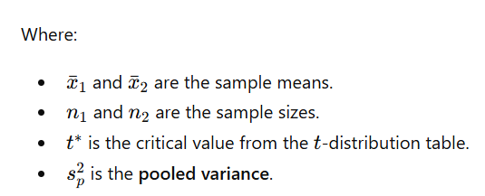
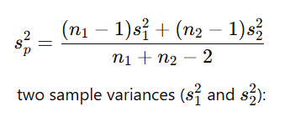
Confidence interval for difference of two means; independent samples, variances unknown but assumed to be equal
Apples example

NY apples | LA apples |  | NY | LA | Confidence intervals
$3.80 | $3.02 | Sample mean | $3.94 | $3.25
$3.76 | $3.22 | Sample std | $0.18 | $0.27 | T | CI low | CI high
$3.87 | $3.24 | Sample size | 10 | 8 | 95% | $0.47 | $0.92
$3.99 | $3.02
$4.02 | $3.06 | Pooled variance | 0.05
$4.25 | $3.15 | Pooled std | 0.22
$4.13 | $3.81
$3.98 | $3.44 | 95% CI, t16,0.025 | 2.12
$3.99
$3.62

